Print Page 1
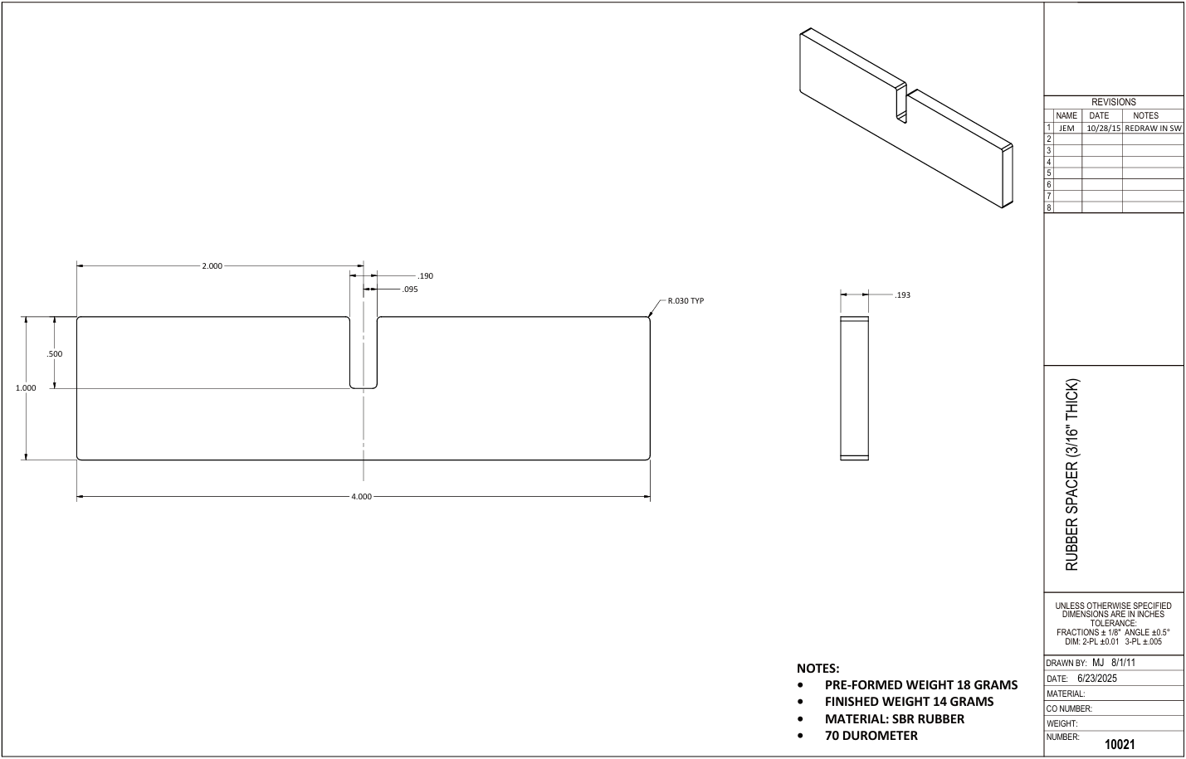

7
5

1
6
2
8

4

3

9

Tolerance Table
